Project Details
FINANCIAL REPORTING & ANALYSIS
FINANCIAL ANALYSIS THROUGH ANNUAL REPORT

Snapshots from Annual Report

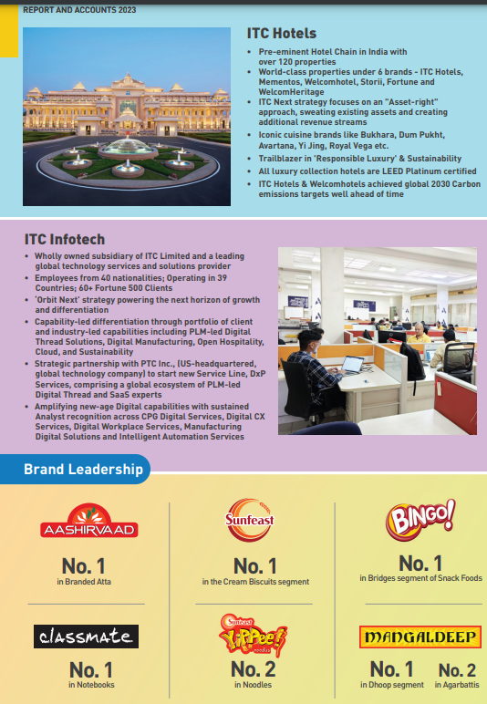
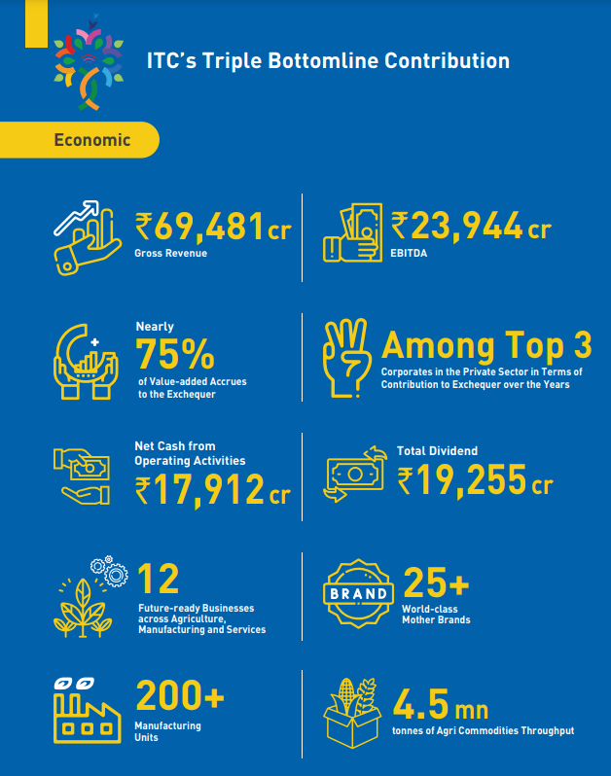
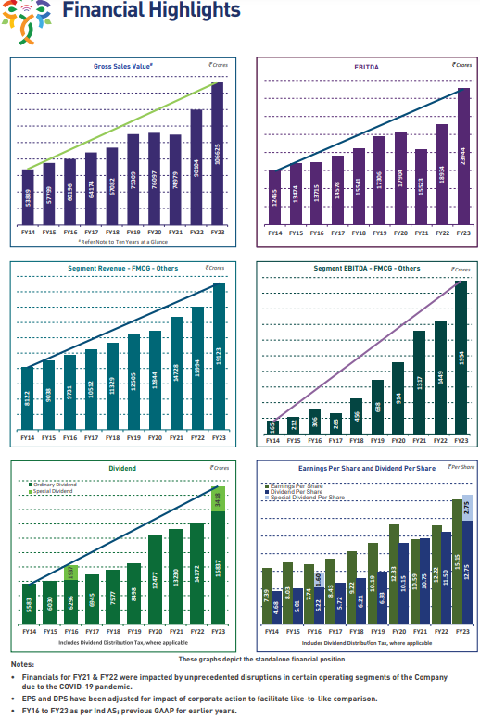

Reasons for Choosing ITC Ltd for Fundamental Analysis:

ITC Ltd. is a compelling choice for fundamental analysis due to several factors:
Diversified Business: ITC is not just a tobacco company. It has a significant presence in FMCG (Fast Moving Consumer Goods), Paperboards & Specialty Papers, Hotels, and Agribusiness. This diversification offers a broader perspective on the Indian economy and consumer trends.
Strong Brand Portfolio: ITC boasts well-established brands like Aashirvaad, Classmate, Wills Lifestyle, and Bingo across its various segments. Analyzing these brands' performance can provide insights into consumer preferences and brand loyalty.
Financial Stability: ITC maintains a healthy financial profile with low debt, good profitability ratios and strong cash flow generation. This stability makes it an interesting case study for understanding sustainable business practices.
Market Leadership: ITC is a leader in several of its business segments in India. Analyzing its strategies and performance can shed light on how established players compete and adapt in a dynamic market

